Notes
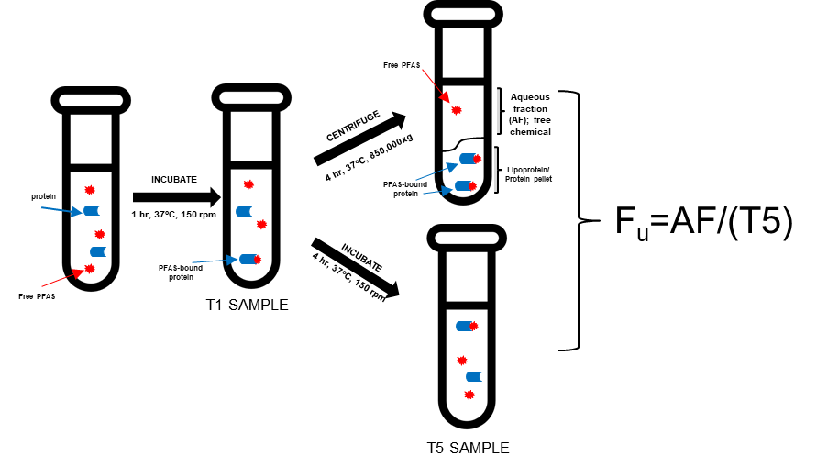
Helpful information
Assays-
PFAS (30 mM in DMSO) were incubated with human plasma at 10 μM and subjected to the ultracentriguation assay to determine fraction unbound
Plasma with PFAS was pre-incubated for 1 hr then spun at 850,000g for 4.25 hr and the aqueous fraction was extracted and analyzed for how much PFAS is unbound
3 mixes were prepared with different PFAS and subsequently aliquoted over the assay process to provide replicates (A, B, C)
Additionally, plasma stability time points at 1 hr (initiation of UC) and ~5hr were included
Fu = aqueous fraction/T5 hr
Dilution corrections: aqueous fraction assay 1:2; stability time points 1:5; for all samples, 1:4 dilution for crash (contains internal stds) and 1:4 dilution for LC-MS analysis in matched mobile phase
n-butylparaben was included as referance compound/positive control

Calibration Curves-
Used mixed matrix (50/50 mixture of human plasma and ultrafiltrate [aqueous fraction of plasma]) as matrix for curve
Cal curves range from 0.053 pg/uL (0.00017 μM) - 76.35 pg/uL (0.25 μM) [up to 17 points]; pg/uL notation based off avg MW of 305 g/mol, but subsequently updated into μM for better mass balance
Cal curve points were diluted 1:4 for crash and 1:4 for LC-MS analysis
Internal standard concentration at instrument is 3 pg/uL (0.010 μM)
Curves were prepared either same day or within 2 weeks of assay completion per QAPP

TAB: Fu Values
This is a summary of PFOA (DTXSID8031865) and K+PFOS (DTXSID8037706) with values that were generated from two different assays (for each analyte) over the last year
Based on QAPP, %RSD should be within 25%
I have excluded Mix2A from July 2019 for PFOS as it was identified to be contaminated, as a more elevated reading was also noted in n-butylparaben
The Fu information for n-butylparaben associated with mixes containing these PFAS is also included

LC-MS Data Interpretation-
Worklists are shown by analyte
LC-MS method that was run included examining all analytes across all samples
Calibration curves were fit to a quadratic equation with 1/X weighting and an output of the curve for each analyte is shown on side of the data for that particular PFAS
Internal standards were assigned based on similarity to PFAS or elution time
Sample text provides a description of the sample; CC = calibration curve, QC = quality control, UC_UF = unbound fraction, UC_T# = plasma stability time point
RT = retention time; response = (peak area analyte/peak area internal standard) * internal standard concentration
Std. conc = theoretical concentration; uM = actual concentration
(there's lots of other parameters that can be inputted too if interested to learn what those are)

TAB: PFOA 4-12, PFOA 10-1
These show the data associated with PFOA used to determine Fu

TAB: PFOA 7-23, PFOS 1-7
These show the data associated with K+PFOS used to determine Fu

TAB: Acids_A 10-1-2019
This sheet provides a complete output from the Waters LC-MS data processing software with Acids Set A (common linear acids from C3-C14)
Assay was completed on 9-25-2019
Calibration curve points CC16, CC17 were added to avoid additional dilution of plasma stability points on 10-1-2019 and all samples re-analyzed 10-1-2019
Fu values for all of these samples is also included (table shows dilution correct concentrations)

